Required Server&Node Licenses
■ Structure of Products
Product structure of Infrastructure Manager consists of the following product groups:

 | □ Media pack
 | Infrastructure Manager installation media. It is available as media/DVDs (paid), or by download (free).
 | Infrastructure Manager is a virtual appliance that packages the underlying software for virtual machines.
 | The media pack must be selected depending on the hypervisor on which Infrastructure Manager is running.
 | The following three types of hypervisors are supported:
 |  | - VMware ESXi(vSphere)
 |  | - Windows Server Hyper-V
 |  | - Red Hat Enterprise Linux KVM
 | Media Pack media/DVDs (paid) were discontinued in September 2025.

 | □ Server license
 | One license for each Infrastructure Manager (virtual appliance) is required.
 | Select a license depending on the length of time you will be using Infrastructure Manager.
 | Available periods are 1 year, 3 years, and 5 years.
 | If you want to continue using the server license beyond its period of use, you must purchase additional server licenses.

 | □ Node License
 | This license is for authorizing the maximum number of nodes that can be managed with Infrastructure Manager. The number of licenses must be greater than or equal to the number of nodes to be managed.
 | Select a license depending on the length of time you will be managing and operating the nodes with Infrastructure Manager.
 | Available periods are 1 year, 3 years, and 5 years.
 | If you want to continue managing and operating the nodes beyond its period of use, you must purchase additional node licenses.

 | The number of node licenses cannot be divided and used with multiple Infrastructure Managers.

 | The number of node licenses is counted by the number of IP addresses of the nodes to be managed. One IP address is one node.

 |  | Table 21: Type of node and number of required node licenses
 |  | Type of Node |  | Unit |  | No. of Required Node Licenses
 |  | Server/ Chassis | Tower Server /Rack Server (PRIMERGY TX/RX) | Chassis |  | 1 x Node license
 |  |  | Multi-node Server (PRIMERGY CX) | Server Node
 |  |  | Multi-node Server (PRIMERGY BX) | Chassis
 |  |  |  | Server Blade
 |  |  |  | Switch Blade
 |  |  | PRIMEQUEST 2000/3000E | Chassis |  | 5 x Node licenses
 |  |  | PRIMEQUEST 4000 | Partition |  | 1 x Node licenses
 |  | Server/ Chassis | ETERNUS DX | Physical controller configuration with one or more CM (Controller Module) |  | 1 x Node licenses
 |  |  | ETERNUS NR | Physical chassis configuration with one or more nodes |  | 1 x Node licenses
 |  | Network Device (Connection Blade, Switch/IPCOM) |  | Chassis with IP address setting * Fabric IPs are not counted |  | 1 x Node licenses
 |  | Facility
 |  | ・ Devices, which have IP address, require node licenses
 |  | ・ RIMEQUEST 2000/3000E series require 5 node licenses per chassis
 |  | ・ Chassis of Multi-node Server and PRIMEQUEST 4000 series do not require license
 |  | ・ Node licenses cannot be divided.

 |  |  | Example: Rack servers, multi-node servers, switches, and storages are managed
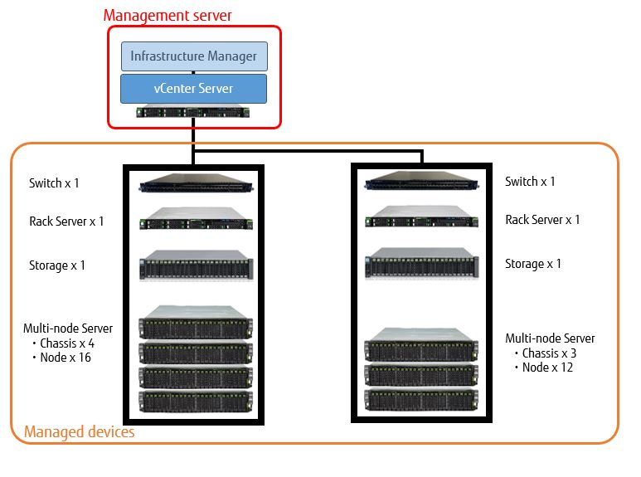

 |  |  | Table 22: Number of required node licenses in the above case
 |  |  | Type of Node |  | No. of Unit | No. of Required Node Licenses
 |  |  | Rack Server |  | 2 | 2 x Node licenses
 |  |  | Multi-node Server | Chassis | 7 | - (*)
 |  |  |  | Server node | 28 | 28 x Node licenses
 |  |  | Switch |  | 2 | 2 x Node licenses
 |  |  | Storage |  | 2 | 2 x Node licenses
 |  |  | *The license for Chassis of Multi-node Server is not required

■ Type of Node
Server license and node license include the following types:

 | - Infrastructure Manager Advanced Edition
 | - Infrastructure Manager Advanced Edition for PRIMEFLEX

 | Infrastructure Manager Advanced Edition for PRIMEFLEX is licensed exclusively for "PRIMEFLEX for VMware vSAN".
 | It added the functions of installation, expansion, and operational management specifically for PRIMEFLEX for VMware SANs to the Advanced Edition's features.

 | The same type of license must be selected for server and node licenses. You cannot select and use different types of licenses.
 | A license key is provided for each license type. By registering the license key in the installed Infrastructure Manager, enables to operate within the range of available functions corresponding to the license type.

 | You can also use the functions of Infrastructure Manager without registering a license key.
 | However, if you do not register a license key, the range of available functions is limited.

 | For the range of available functions (operation mode) corresponding to the license type depending on whether the license key is registered or not, refer to the "First Step Guide" of product manual.

 | License key registration |  |  |  | Operation mode
 | Registration of license key for Infrastructure Manager Advanced Edition |  |  |  | Advanced
 | Registration of license key for Infrastructure Manager Advanced Edition for PRIMEFLEX |  |  |  | Advanced for PRIMEFLEX
 | No license key registration |  |  |  | Essential

■ License Expiration
 | The usage period begins when you register the license key with Infrastructure Manager.
 | 90 days prior to the expiration date, you will be notified of the expiration notice. 30 days in advance, a warning message will be displayed each time you log in to the screen to operate Infrastructure Manager.
 | In this case, other than the notification and message display, no restrictions are placed on the functionality of the system.

 | When an expiration notice is notified, purchase a new license before the expiration date expires.
 | Delete the license key corresponding to the expired license and register the license key provided by the newly purchased license.

■Upgrading from Infrastructure Manager V2
 | When upgrading from Infrastructure Manage V2 to V3, server and node licenses registered in V2 will be replaced with a 5-year (1825 days) term license.
 | When upgrading from Infrastructure Manage V2 to V3, server and node licenses registered in V2 will be replaced with a 5-year (1825 days) term license.
 | The node license must also be purchased depending on the number of nodes and length of use.

 |  |  |  |  |  |  | Copyright 2017-2025 Fsas Technologies Inc.

